Sheet2
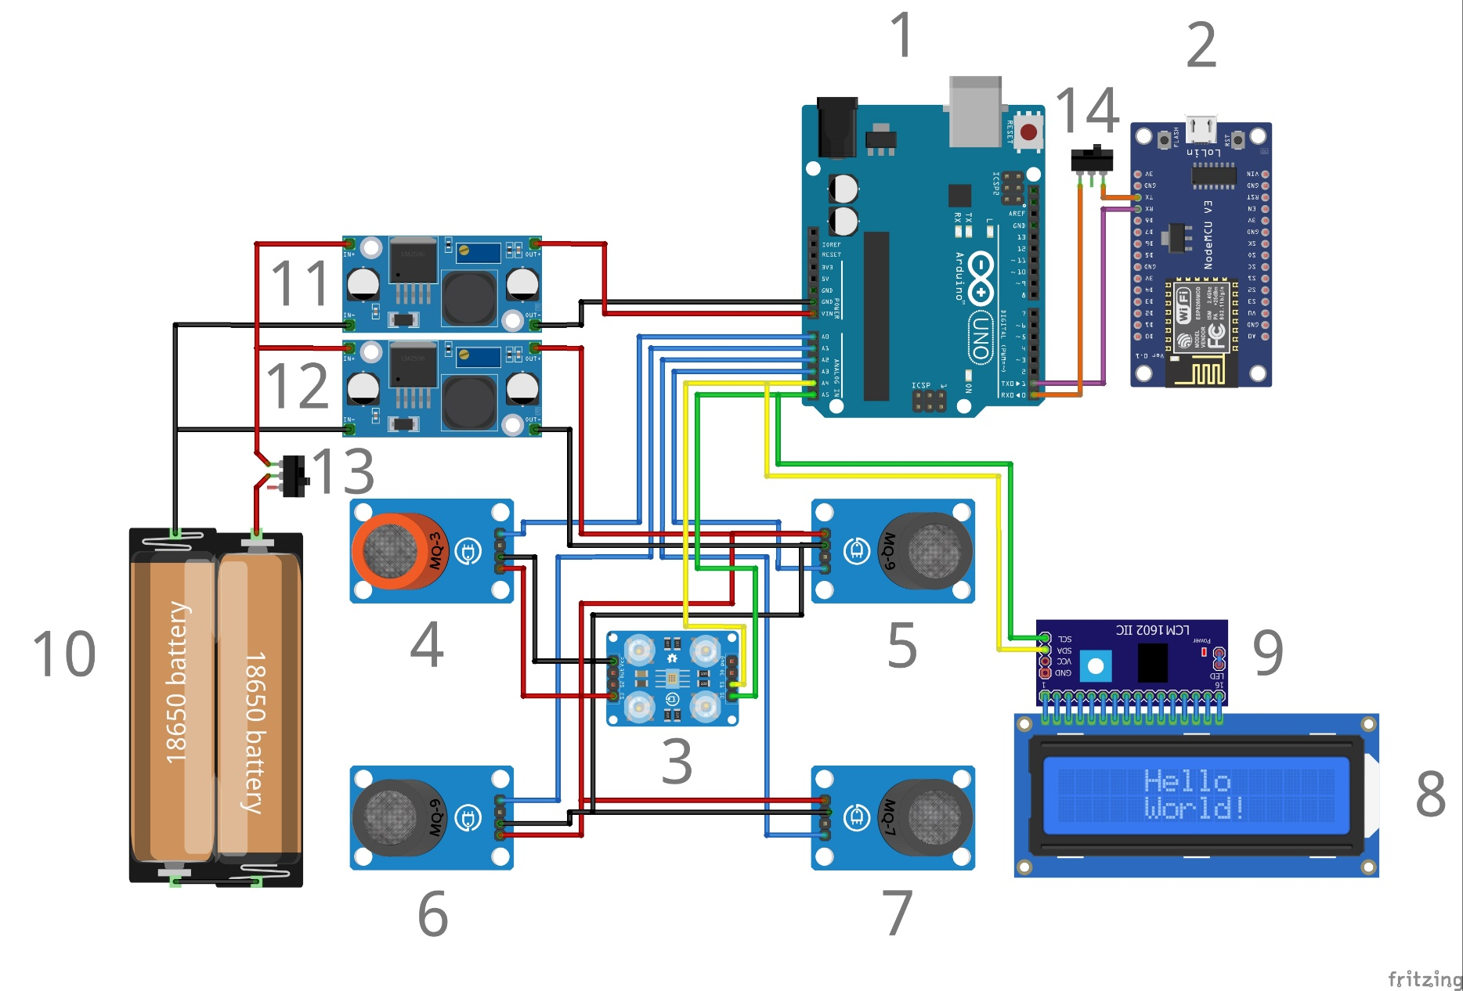
No | Nama Komponen
1 | Arduino UNO
2 | ESP8266
3 | Sensor Warna TCS34725
4 | Sensor MQ-
5 | Sensor MQ-
6 | Sensor MQ-
7 | Sensor MQ-
8 | LCD 16X2
9 | LCD I2C Module
10 | 2 x Baterai 18650 + Baterai Holder
11 | Step Down LM2596
12 | Step Down LM2596
13 | Swtich On/Off
14 | Swtich On/Off

